Problem
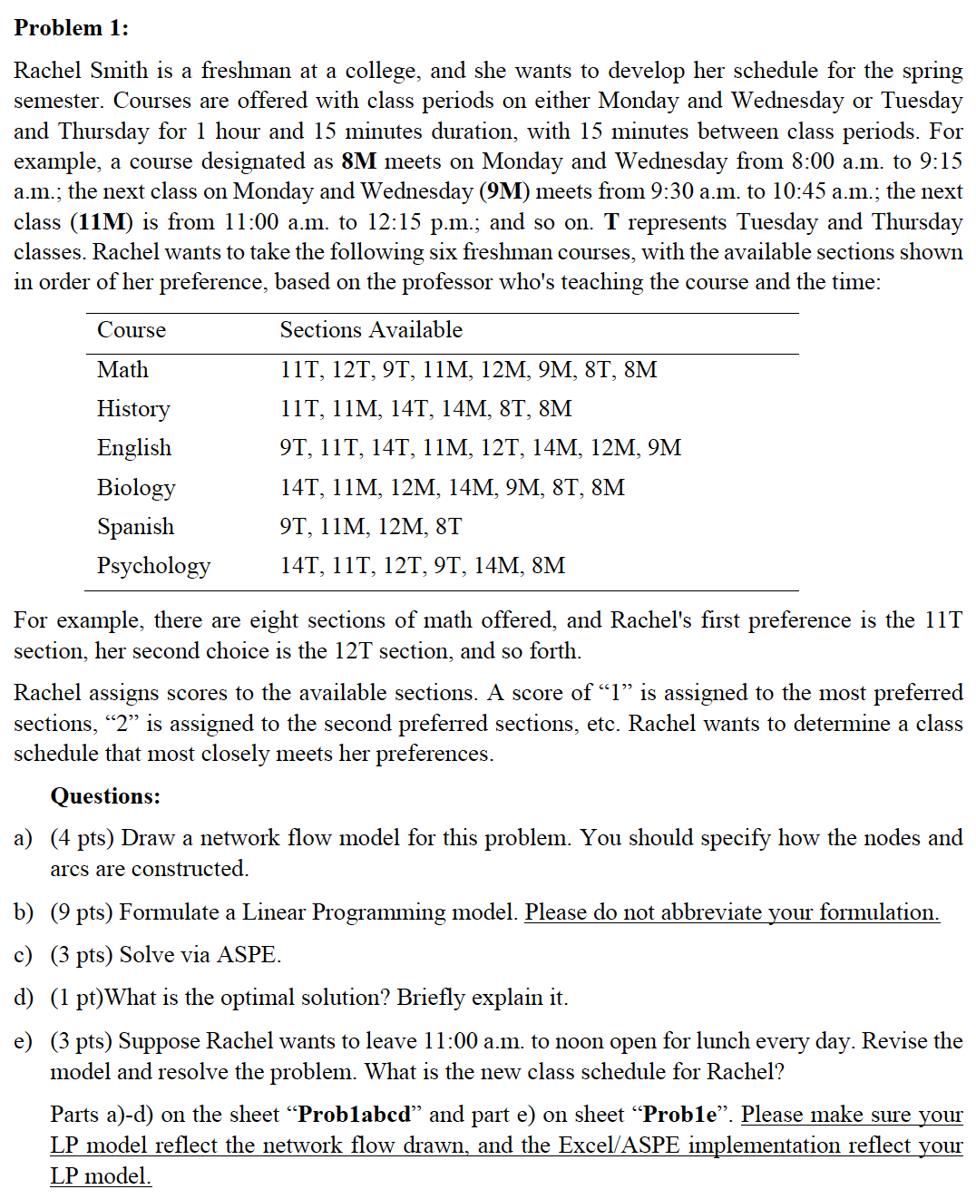

Prob1abcd
X_{i,j} where i is course (M = Math, H= History, E = English, B = Biology, S=Spanish, P = Psychology), and j is period (1 = 8M, 2 = 9M, 3 = 11M, 4 = 12M, 5 = 14M, 6 = 8T, 7 = 9T, 8 = 11T, 9 = 12T, 10 = 14T)
Minimize: 8X_{M1} + 6X_{M2} + 4X_{M3} + 5X_{M4} + 7X_{M6} + 3X_{M7} + 1X_{M8} + 2X_{M9} + 6X_{H1} + 2X_{H3} + 4X_{H5} + 5X_{H6} + 1X_{H8} + 3X_{H10} + 8X_{E2} + 4X_{E3} + 7X_{E4} + 6X_{E5} + 1X_{E7} + 2X_{E8} + 5X_{E9} + 3X_{E10}
+ 7X_{B1} + 5X_{B2} + 2X_{B3} + 3X_{B4} + 4X_{B5} +6X_{B6} + 1X_{B10} +2X_{S3} + 3X_{S4} + 4X_{S6} + 1X_{S7} + 6X_{P1} + 5X_{P5} + 4X_{P7} + 2X_{P8} + 3X_{P9} +1X_{P10}
Subject to below constraints:
X_{M1} + X_{M2} + X_{M3} + X_{M4} + X_{M6} + X_{M7} + X_{M8} + X_{M9} = 1
X_{H1} + X_{H3} + X_{H5} + X_{H6} + X_{H8} + X_{H10} = 1
X_{E2} + X_{E3} + X_{E4} + X_{E5} + X_{E7} + X_{E8} + X_{E9} + X_{E10} = 1
X_{B1} + X_{B2} + X_{B3} + X_{B4} + X_{B5} +X_{B6} + X_{B10} = 1
X_{S3} + X_{S4} + X_{S6} + X_{S7} = 1
X_{P1} + X_{P5} + X_{P7} + X_{P8} + X_{P9} +X_{P10} = 1
X_{M1} + X_{H1} + X_{B1} + X_{P1} <= 1
X_{M2} + X_{E2} + X_{B2} <= 1
X_{M3} + X_{H3} + X_{E3} + X_{B3} + X_{X3} <= 1
X_{M4} + X_{E4} + X_{B4} + X_{S4} <= 1
X_{H5} + X_{E5} + X_{B5} + X_{P5} <= 1
X_{M6} + X_{H6} + X_{B6} + X_{S6} <=1
X_{M7} + X_{E7} + X_{S7} + X_{P7} <= 1
X_{M8} + X_{H8} + X_{E8} + X_{P8} <= 1
X_{M9} + X_{E9} + X_{P9} <= 1
X_{H10} + X_{E10} + X_{B10} + X_{P10} <= 1
X_{i,j} >= 0 for all i and j
1a
 |  |  |  |  |  |  |  |  |  |  |  |  |  |  |  |  |  | 1b

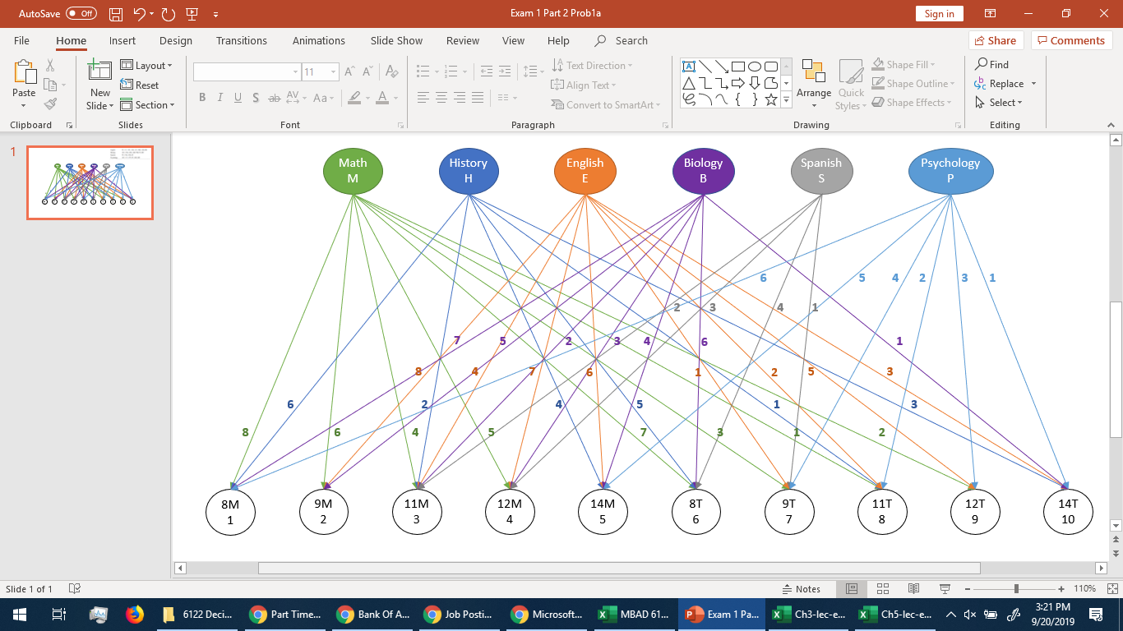

1c

Let Xij = Subject i taken in schedule j where i=M,H,E,B,S,P and j=8M,9M,11M,12M,14M,8T,9T,11T,12T,14T
 | MATH |  |  |  |  |  |  |  | HISTORY |  |  |  |  |  | ENGLISH |  |  |  |  |  |  |  | BIOLOGY |  |  |  |  |  |  | SPANISH |  |  |  | PSYCHOLOGY
 | 8M | 9M | 11M | 12M | 8T | 9T | 11T | 12T | 8M | 11M | 14M | 8T | 11T | 14T | 9M | 11M | 12M | 14M | 9T | 11T | 12T | 14T | 8M | 9M | 11M | 12M | 14M | 8T | 14T | 11M | 12M | 8T | 9T | 8M | 14M | 9T | 11T | 12T | 14T
Classes (Yes or No) | 0 | 0 | 0 | 0 | 0 | 0 | 0 | 1 | 0 | 0 | 0 | 0 | 1 | 0 | 0 | 0 | 0 | 0 | 1 | 0 | 0 | 0 | 0 | 0 | 0 | 1 | 0 | 0 | 0 | 1 | 0 | 0 | 0 | 0 | 0 | 0 | 0 | 0 | 1
Priority (Minimize) | 8 | 6 | 4 | 5 | 7 | 3 | 1 | 2 | 6 | 2 | 4 | 5 | 1 | 3 | 8 | 4 | 7 | 6 | 1 | 2 | 5 | 3 | 7 | 5 | 2 | 3 | 4 | 6 | 1 | 2 | 3 | 4 | 1 | 6 | 5 | 4 | 2 | 3 | 1 | 10 |  | RHS
Maths node | -1 | -1 | -1 | -1 | -1 | -1 | -1 | -1 |  |  |  |  |  |  |  |  |  |  |  |  |  |  |  |  |  |  |  |  |  |  |  |  |  |  |  |  |  |  |  | -1 | = | -1
History node |  |  |  |  |  |  |  |  | -1 | -1 | -1 | -1 | -1 | -1 |  |  |  |  |  |  |  |  |  |  |  |  |  |  |  |  |  |  |  |  |  |  |  |  |  | -1 | = | -1
English node |  |  |  |  |  |  |  |  |  |  |  |  |  |  | -1 | -1 | -1 | -1 | -1 | -1 | -1 | -1 |  |  |  |  |  |  |  |  |  |  |  |  |  |  |  |  |  | -1 | = | -1
Biology node |  |  |  |  |  |  |  |  |  |  |  |  |  |  |  |  |  |  |  |  |  |  | -1 | -1 | -1 | -1 | -1 | -1 | -1 |  |  |  |  |  |  |  |  |  |  | -1 | = | -1
Spanish node |  |  |  |  |  |  |  |  |  |  |  |  |  |  |  |  |  |  |  |  |  |  |  |  |  |  |  |  |  | -1 | -1 | -1 | -1 |  |  |  |  |  |  | -1 | = | -1
Psychology node |  |  |  |  |  |  |  |  |  |  |  |  |  |  |  |  |  |  |  |  |  |  |  |  |  |  |  |  |  |  |  |  |  | -1 | -1 | -1 | -1 | -1 | -1 | -1 | = | -1
One Subject at 8M | 1 |  |  |  |  |  |  |  | 1 |  |  |  |  |  |  |  |  |  |  |  |  |  | 1 |  |  |  |  |  |  |  |  |  |  | 1 |  |  |  |  |  | 0 | <= | 1
One Subject at 9M |  | 1 |  |  |  |  |  |  |  |  |  |  |  |  | 1 |  |  |  |  |  |  |  |  | 1 |  |  |  |  |  |  |  |  |  |  |  |  |  |  |  | 0 | <= | 1
One Subject at 11M |  |  | 1 |  |  |  |  |  |  | 1 |  |  |  |  |  | 1 |  |  |  |  |  |  |  |  | 1 |  |  |  |  | 1 |  |  |  |  |  |  |  |  |  | 1 | <= | 1
One Subject at 12M |  |  |  | 1 |  |  |  |  |  |  |  |  |  |  |  |  | 1 |  |  |  |  |  |  |  |  | 1 |  |  |  |  | 1 |  |  |  |  |  |  |  |  | 1 | <= | 1
One Subject at 14M |  |  |  |  |  |  |  |  |  |  | 1 |  |  |  |  |  |  | 1 |  |  |  |  |  |  |  |  | 1 |  |  |  |  |  |  |  | 1 |  |  |  |  | 0 | <= | 1
One Subject at 8T |  |  |  |  | 1 |  |  |  |  |  |  | 1 |  |  |  |  |  |  |  |  |  |  |  |  |  |  |  | 1 |  |  |  | 1 |  |  |  |  |  |  |  | 0 | <= | 1
One Subject at 9T |  |  |  |  |  | 1 |  |  |  |  |  |  |  |  |  |  |  |  | 1 |  |  |  |  |  |  |  |  |  |  |  |  |  | 1 |  |  | 1 |  |  |  | 1 | <= | 1
One Subject at 11T |  |  |  |  |  |  | 1 |  |  |  |  |  | 1 |  |  |  |  |  |  | 1 |  |  |  |  |  |  |  |  |  |  |  |  |  |  |  |  | 1 |  |  | 1 | <= | 1
One Subject at 12T |  |  |  |  |  |  |  | 1 |  |  |  |  |  |  |  |  |  |  |  |  | 1 |  |  |  |  |  |  |  |  |  |  |  |  |  |  |  |  | 1 |  | 1 | <= | 1
One Subject at 14T |  |  |  |  |  |  |  |  |  |  |  |  |  | 1 |  |  |  |  |  |  |  | 1 |  |  |  |  |  |  | 1 |  |  |  |  |  |  |  |  |  | 1 | 1 | <= | 1

1d

The optimial solution occurs where the sum of the preference rank scores for the schedule is minimized. In a sense, this is minimizing the "costs" of courses occuring at a particular period/section (the higher the value of the rank score, the higher the "cost"). The "cost" is minimzed at 10 with the schedule consisting of X_{M9}, X_{H8}, X_{E7}, X_{B4}, X_{S3} and X_{P10}. In other words, the optimal schedule for Rachel is one where:
- Mathematics is taken at Section 12T (12:30 pm - 1:45 pm on Tuesdays and Thursdays),
- History is taken at Section 11T (11 am - 12:15 pm on Tuesdays and Thursdays),
- English is taken at Section 9T (9:30-10:45 am on Tuesdays and Thursdays),
- Biology is taken at Section 12M (12:30 pm - 1:45 pm on Mondays and Wendsdays),
- Spanish is taken at Section 11M (11 am - 12:15 pm on Mondays and Wednesdays), and
- Psychology is taken at Section 14T (2pm - 3:15 pm on Tuesdays and Thursdays)

Prob1e
1e
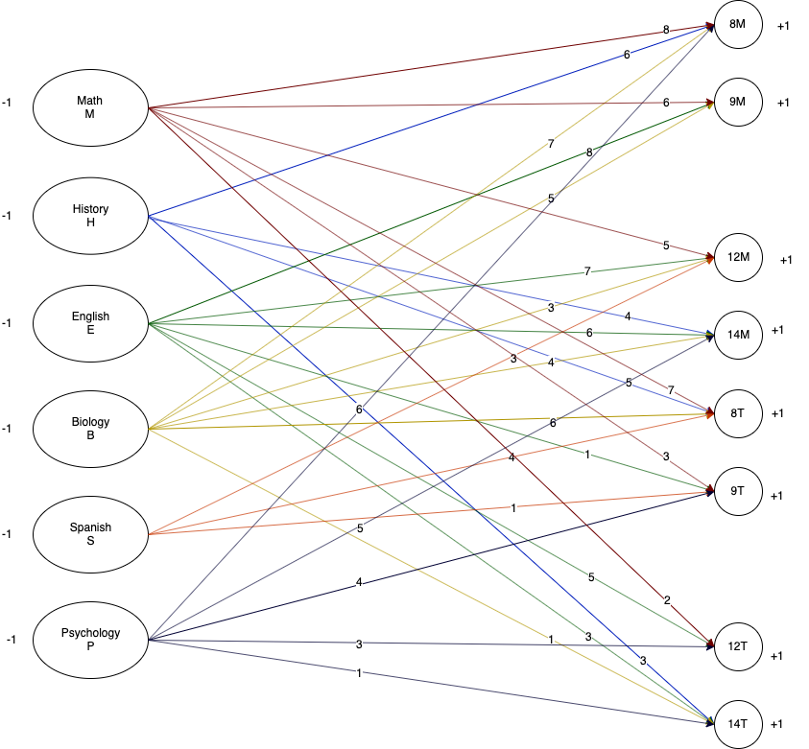
X_{i,j} where i is course (M = Math, H= History, E = English, B = Biology, S=Spanish, P = Psychology), and j is period (1 = 8M, 2 = 9M, 3 = 11M, 4 = 12M, 5 = 14M, 6 = 8T, 7 = 9T, 8 = 11T, 9 = 12T, 10 = 14T)
Minimize: 8X_{M1} + 6X_{M2} + 4X_{M3} + 5X_{M4} + 7X_{M6} + 3X_{M7} + 1X_{M8} + 2X_{M9} + 6X_{H1} + 2X_{H3} + 4X_{H5} + 5X_{H6} + 1X_{H8} + 3X_{H10} + 8X_{E2} + 4X_{E3} + 7X_{E4} + 6X_{E5} + 1X_{E7} + 2X_{E8} + 5X_{E9} + 3X_{E10} + 7X_{B1} + 5X_{B2} + 2X_{B3} + 3X_{B4} + 4X_{B5} +6X_{B6} + 1X_{B10} +2X_{S3} + 3X_{S4} + 4X_{S6} + 1X_{S7} + 6X_{P1} + 5X_{P5} + 4X_{P7} + 2X_{P8} + 3X_{P9} +1X_{P10}
Subject to below constraints:
X_{M1} + X_{M2} + X_{M3} + X_{M4} + X_{M6} + X_{M7} + X_{M8} + X_{M9} = 1
X_{H1} + X_{H3} + X_{H5} + X_{H6} + X_{H8} + X_{H10} = 1
X_{E2} + X_{E3} + X_{E4} + X_{E5} + X_{E7} + X_{E8} + X_{E9} + X_{E10} = 1
X_{B1} + X_{B2} + X_{B3} + X_{B4} + X_{B5} +X_{B6} + X_{B10} = 1
X_{S3} + X_{S4} + X_{S6} + X_{S7} = 1
X_{P1} + X_{P5} + X_{P7} + X_{P8} + X_{P9} +X_{P10} = 1
X_{M1} + X_{H1} + X_{B1} + X_{P1} <= 1
X_{M2} + X_{E2} + X_{B2} <= 1
X_{M3} + X_{H3} + X_{E3} + X_{B3} + X_{X3} <= 1
X_{M4} + X_{E4} + X_{B4} + X_{S4} <= 1
X_{H5} + X_{E5} + X_{B5} + X_{P5} <= 1
X_{M6} + X_{H6} + X_{B6} + X_{S6} <=1
X_{M7} + X_{E7} + X_{S7} + X_{P7} <= 1
X_{M8} + X_{H8} + X_{E8} + X_{P8} <= 1
X_{M9} + X_{E9} + X_{P9} <= 1
X_{H10} + X_{E10} + X_{B10} + X_{P10} <= 1
X_{i,j} >= 0 for all i and j
X_{M3} + X_{M8} + X_{H3} + X_{H8} + X_{E3} + X_{E8} + X_{B3} + X_{S3} + X_{P8} = 0 <- New constraint that no courses during 11 am- noon (remove Sections 3 (11M) and 8 (11T) that would fall during this time)

 |  |  |  |  |  |  |  |  |  |  |  |  |  |  | Your LP model does not match Excel model. In Excel model, you eliminated all decision variables with 11T and 11M, and related constraints, but in LP model you add an addition constraint. -0.1
 |  |  |  |  |  |  |  |  |  |  |  |  |  |  | You got 19.9 out of 20 for Problem 1.
Let Xij = Subject i taken in schedule j where i=M,H,E,B,S,P and j=8M,9M,12M,14M,8T,9T,12T,14T
 | MATH |  |  |  |  |  | HISTORY |  |  |  | ENGLISH |  |  |  |  |  | BIOLOGY |  |  |  |  |  | SPANISH |  |  | PSYCHOLOGY
 | 8M | 9M | 12M | 8T | 9T | 12T | 8M | 14M | 8T | 14T | 9M | 12M | 14M | 9T | 12T | 14T | 8M | 9M | 12M | 14M | 8T | 14T | 12M | 8T | 9T | 8M | 14M | 9T | 12T | 14T
Classes (Yes or No) | 0 | 0 | 0 | 0 | 0 | 1 | 0 | 1 | 0 | 0 | 0 | 0 | 0 | 1 | 0 | 0 | 0 | 0 | 1 | 0 | 0 | 0 | 0 | 1 | 0 | 0 | 0 | 0 | 0 | 1
Priority (Minimize) | 8 | 6 | 5 | 7 | 3 | 2 | 6 | 4 | 5 | 3 | 8 | 7 | 6 | 1 | 5 | 3 | 7 | 5 | 3 | 4 | 6 | 1 | 3 | 4 | 1 | 6 | 5 | 4 | 3 | 1 | 15 |  | RHS
Maths node | -1 | -1 | -1 | -1 | -1 | -1 |  |  |  |  |  |  |  |  |  |  |  |  |  |  |  |  |  |  |  |  |  |  |  |  | -1 | = | -1
History node |  |  |  |  |  |  | -1 | -1 | -1 | -1 |  |  |  |  |  |  |  |  |  |  |  |  |  |  |  |  |  |  |  |  | -1 | = | -1
English node |  |  |  |  |  |  |  |  |  |  | -1 | -1 | -1 | -1 | -1 | -1 |  |  |  |  |  |  |  |  |  |  |  |  |  |  | -1 | = | -1
Biology node |  |  |  |  |  |  |  |  |  |  |  |  |  |  |  |  | -1 | -1 | -1 | -1 | -1 | -1 |  |  |  |  |  |  |  |  | -1 | = | -1
Spanish node |  |  |  |  |  |  |  |  |  |  |  |  |  |  |  |  |  |  |  |  |  |  | -1 | -1 | -1 |  |  |  |  |  | -1 | = | -1
Psychology node |  |  |  |  |  |  |  |  |  |  |  |  |  |  |  |  |  |  |  |  |  |  |  |  |  | -1 | -1 | -1 | -1 | -1 | -1 | = | -1
One Subject at 8M | 1 |  |  |  |  |  | 1 |  |  |  |  |  |  |  |  |  | 1 |  |  |  |  |  |  |  |  | 1 |  |  |  |  | 0 | <= | 1
One Subject at 9M |  | 1 |  |  |  |  |  |  |  |  | 1 |  |  |  |  |  |  | 1 |  |  |  |  |  |  |  |  |  |  |  |  | 0 | <= | 1
One Subject at 12M |  |  | 1 |  |  |  |  |  |  |  |  | 1 |  |  |  |  |  |  | 1 |  |  |  | 1 |  |  |  |  |  |  |  | 1 | <= | 1
One Subject at 14M |  |  |  |  |  |  |  | 1 |  |  |  |  | 1 |  |  |  |  |  |  | 1 |  |  |  |  |  |  | 1 |  |  |  | 1 | <= | 1
One Subject at 8T |  |  |  | 1 |  |  |  |  | 1 |  |  |  |  |  |  |  |  |  |  |  | 1 |  |  | 1 |  |  |  |  |  |  | 1 | <= | 1
One Subject at 9T |  |  |  |  | 1 |  |  |  |  |  |  |  |  | 1 |  |  |  |  |  |  |  |  |  |  | 1 |  |  | 1 |  |  | 1 | <= | 1
One Subject at 12T |  |  |  |  |  | 1 |  |  |  |  |  |  |  |  | 1 |  |  |  |  |  |  |  |  |  |  |  |  |  | 1 |  | 1 | <= | 1
One Subject at 14T |  |  |  |  |  |  |  |  |  | 1 |  |  |  |  |  | 1 |  |  |  |  |  | 1 |  |  |  |  |  |  |  | 1 | 1 | <= | 1

The optimial solution occurs where the sum of the preference rank scores for the schedule is minimized. In a sense, this is minimizing the "costs" of courses occuring at a particular period/section (the higher the value of the rank score, the higher the "cost"). The "cost" is minimzed at 15 with the schedule consisting of X_{M9},X_{H5}, X_{E7}, X_{B4},X_{S6} and X_{P10}. In other words, the optimal schedule for Rachel is one where:
- Mathematics is taken at Section 12T (12:30 pm - 1:45 pm on Tuesdays and Thursdays),
- History is taken at Section 14M (2pm - 3:15 pm on Mondays and Wednesdays),
- English is taken at Section 9T (9:30-10:45 am on Tuesdays and Thursdays),
- Biology is taken at Section 12M (12:30 pm - 1:45 pm on Mondays and Wendsdays),
- Spanish is taken at Section 8T (8 am - 9:15 pm on Tuesdays and Thursdays), and
- Psychology is taken at Section 14T (2pm - 3:15 pm on Tuesdays and Thursdays)

